Daily Power Station Chart_14-01
Plant_04/01/2025Chart

Plant:odco1 |  |  | Installed Capacity:111.180kWp
Today Yield(kWh):343.400kWh |  | Today Earning:137360.000TND |  | Today Full Load Hours(h):3.09h

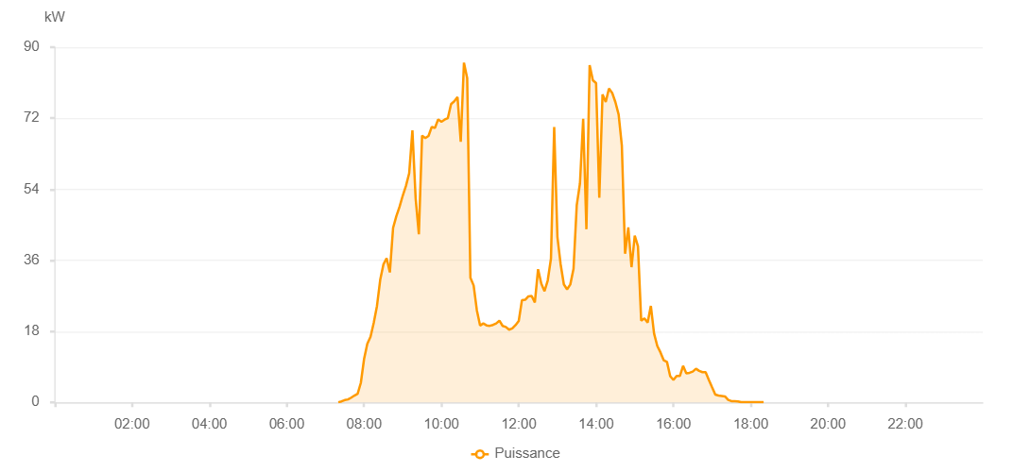

Number | Time | Working State | PV(W) | Instantaneous Radiation(W/㎡)
1 | 07:20:00 | Online | 20.00000 | 0
2 | 07:25:00 | Online | 250.00000 | 0
3 | 07:30:00 | Online | 580.00000 | 2.00000
4 | 07:35:00 | Online | 750.00000 | 5.00000
5 | 07:40:00 | Online | 1200.00000 | 8.00000
6 | 07:45:00 | Online | 1720.00000 | 11.00000
7 | 07:50:00 | Online | 2160.00000 | 18.00000
8 | 07:55:00 | Online | 4960.00000 | 47.00000
9 | 08:00:00 | Online | 11010.00000 | 109.00000
10 | 08:05:00 | Online | 14830.00000 | 164.00000
11 | 08:10:00 | Online | 16640.00000 | 211.00000
12 | 08:15:00 | Online | 20160.00000 | 226.00000
13 | 08:20:00 | Online | 24420.00000 | 198.00000
14 | 08:25:00 | Online | 31010.00000 | 226.00000
15 | 08:30:00 | Online | 34940.00000 | 339.00000
16 | 08:35:00 | Online | 36550.00000 | 362.00000
17 | 08:40:00 | Online | 32930.00000 | 344.00000
18 | 08:45:00 | Online | 44190.00000 | 409.00000
19 | 08:50:00 | Online | 47140.00000 | 445.00000
20 | 08:55:00 | Online | 49530.00000 | 467.00000
21 | 09:00:00 | Online | 52380.00000 | 494.00000
22 | 09:05:00 | Online | 54880.00000 | 537.00000
23 | 09:10:00 | Online | 58060.00000 | 590.00000
24 | 09:15:00 | Online | 68930.00000 | 652.00000
25 | 09:20:00 | Online | 51720.00000 | 640.00000
26 | 09:25:00 | Online | 42600.00000 | 292.00000
27 | 09:30:00 | Online | 67600.00000 | 554.00000
28 | 09:35:00 | Online | 66960.00000 | 636.00000
29 | 09:40:00 | Online | 67510.00000 | 641.00000
30 | 09:45:00 | Online | 69800.00000 | 665.00000
31 | 09:50:00 | Online | 69560.00000 | 668.00000
32 | 09:55:00 | Online | 71730.00000 | 488.00000
33 | 10:00:00 | Online | 71120.00000 | 680.00000
34 | 10:05:00 | Online | 71660.00000 | 692.00000
35 | 10:10:00 | Online | 72050.00000 | 699.00000
36 | 10:15:00 | Online | 75600.00000 | 714.00000
37 | 10:20:00 | Online | 76300.00000 | 718.00000
38 | 10:25:00 | Online | 77370.00000 | 761.00000
39 | 10:30:00 | Online | 66060.00000 | 780.00000
40 | 10:35:00 | Online | 86080.00000 | 725.00000
41 | 10:40:00 | Online | 82180.00000 | 779.00000
42 | 10:45:00 | Online | 31580.00000 | 281.00000
43 | 10:50:00 | Online | 29630.00000 | 263.00000
44 | 10:55:00 | Online | 23350.00000 | 214.00000
45 | 11:00:00 | Online | 19470.00000 | 171.00000
46 | 11:05:00 | Online | 20000.00000 | 170.00000
47 | 11:10:00 | Online | 19510.00000 | 169.00000
48 | 11:15:00 | Online | 19400.00000 | 168.00000
49 | 11:20:00 | Online | 19630.00000 | 169.00000
50 | 11:25:00 | Online | 20000.00000 | 172.00000
51 | 11:30:00 | Online | 20700.00000 | 177.00000
52 | 11:35:00 | Online | 19370.00000 | 174.00000
53 | 11:40:00 | Online | 19110.00000 | 165.00000
54 | 11:45:00 | Online | 18430.00000 | 153.00000
55 | 11:50:00 | Online | 18730.00000 | 160.00000
56 | 11:55:00 | Online | 19560.00000 | 168.00000
57 | 12:00:00 | Online | 20620.00000 | 171.00000
58 | 12:05:00 | Online | 25920.00000 | 210.00000
59 | 12:10:00 | Online | 26000.00000 | 231.00000
60 | 12:15:00 | Online | 26880.00000 | 225.00000
61 | 12:20:00 | Online | 26970.00000 | 236.00000
62 | 12:25:00 | Online | 25330.00000 | 209.00000
63 | 12:30:00 | Online | 33750.00000 | 424.00000
64 | 12:35:00 | Online | 30080.00000 | 265.00000
65 | 12:40:00 | Online | 28170.00000 | 213.00000
66 | 12:45:00 | Online | 30910.00000 | 280.00000
67 | 12:50:00 | Online | 36450.00000 | 309.00000
68 | 12:55:00 | Online | 69760.00000 | 397.00000
69 | 13:00:00 | Online | 41870.00000 | 513.00000
70 | 13:05:00 | Online | 34990.00000 | 328.00000
71 | 13:10:00 | Online | 29890.00000 | 280.00000
72 | 13:15:00 | Online | 28650.00000 | 238.00000
73 | 13:20:00 | Online | 29870.00000 | 247.00000
74 | 13:25:00 | Online | 33820.00000 | 280.00000
75 | 13:30:00 | Online | 49950.00000 | 307.00000
76 | 13:35:00 | Online | 55490.00000 | 327.00000
77 | 13:40:00 | Online | 71870.00000 | 629.00000
78 | 13:45:00 | Online | 43870.00000 | 807.00000
79 | 13:50:00 | Online | 85440.00000 | 557.00000
80 | 13:55:00 | Online | 81630.00000 | 676.00000
81 | 14:00:00 | Online | 80920.00000 | 794.00000
82 | 14:05:00 | Online | 51840.00000 | 306.00000
83 | 14:10:00 | Online | 78020.00000 | 774.00000
84 | 14:15:00 | Online | 76110.00000 | 595.00000
85 | 14:20:00 | Online | 79550.00000 | 505.00000
86 | 14:25:00 | Online | 78420.00000 | 795.00000
87 | 14:30:00 | Online | 76060.00000 | 723.00000
88 | 14:35:00 | Online | 72940.00000 | 674.00000
89 | 14:40:00 | Online | 65020.00000 | 666.00000
90 | 14:45:00 | Online | 37680.00000 | 685.00000
91 | 14:50:00 | Online | 44350.00000 | 379.00000
92 | 14:55:00 | Online | 34260.00000 | 221.00000
93 | 15:00:00 | Online | 42240.00000 | 197.00000
94 | 15:05:00 | Online | 39570.00000 | 551.00000
95 | 15:10:00 | Online | 20710.00000 | 191.00000
96 | 15:15:00 | Online | 21280.00000 | 191.00000
97 | 15:20:00 | Online | 20220.00000 | 196.00000
98 | 15:25:00 | Online | 24440.00000 | 186.00000
99 | 15:30:00 | Online | 17420.00000 | 259.00000
100 | 15:35:00 | Online | 14290.00000 | 128.00000
101 | 15:40:00 | Online | 12640.00000 | 118.00000
102 | 15:45:00 | Online | 10660.00000 | 94.00000
103 | 15:50:00 | Online | 10250.00000 | 75.00000
104 | 15:55:00 | Online | 6640.00000 | 62.00000
105 | 16:00:00 | Online | 5670.00000 | 49.00000
106 | 16:05:00 | Online | 6710.00000 | 49.00000
107 | 16:10:00 | Online | 6680.00000 | 56.00000
108 | 16:15:00 | Online | 9250.00000 | 60.00000
109 | 16:20:00 | Online | 7360.00000 | 57.00000
110 | 16:25:00 | Online | 7500.00000 | 59.00000
111 | 16:30:00 | Online | 7810.00000 | 61.00000
112 | 16:35:00 | Online | 8530.00000 | 50.00000
113 | 16:40:00 | Online | 7980.00000 | 46.00000
114 | 16:45:00 | Online | 7650.00000 | 42.00000
115 | 16:50:00 | Online | 7650.00000 | 39.00000
116 | 16:55:00 | Online | 5700.00000 | 38.00000
117 | 17:00:00 | Online | 3810.00000 | 27.00000
118 | 17:05:00 | Online | 1970.00000 | 19.00000
119 | 17:10:00 | Online | 1740.00000 | 14.00000
120 | 17:15:00 | Online | 1630.00000 | 14.00000
121 | 17:20:00 | Online | 1510.00000 | 10.00000
122 | 17:25:00 | Online | 620.00000 | 5.00000
123 | 17:30:00 | Online | 320.00000 | 4.00000
124 | 17:35:00 | Online | 280.00000 | 0
125 | 17:40:00 | Online | 240.00000 | 0
126 | 17:45:00 | Online | 40.00000 | 0
127 | 17:50:00 | Online | 40.00000 | 0
128 | 17:55:00 | Online | 40.00000 | 0
129 | 18:00:00 | Online | 40.00000 | 0
130 | 18:05:00 | Online | 40.00000 | 0
131 | 18:10:00 | Online | 40.00000 | 0
132 | 18:15:00 | Online | 40.00000 | 0
133 | 18:20:00 | Online | 40.00000 | 0
134 | 18:45:00 | Online | 0.00001 | 0.00001

